D8 Region A
1
2
3
4
5
6
Region A
D8--Region A
 |  | Region A | Subregion 1 | Subregion 2 | Subregion 3 | Subregion 4 | Subregion 5 | Subregion 6
 | population (number of people) | 6327 | 690 | 1422 | 1303 | 278 | 1243 | 1391
 | median age (years) | 35.5 | 28.2 | 30.2 | 40.7 | 64.3 | 37.8 | 36.9
 | percentage of population under 5 years old | 5.1
 | percentage of population 5 to 9 years old | 6.4
 | percentage of population 10 to 14 years old | 7
 | percentage of population 15 to 19 years old | 7.1
 | percentage of population 20 to 24 years old | 10.8
 | percentage of population 25 to 34 years old | 13.1
 | percentage of population 35 to 44 years old | 6.2
 | percentage of population 45 to 54 years old | 14.4
 | percentage of population 55 to 59 years old | 6.3
 | percentage of population 60 to 64 years old | 5.1
 | percentage of population 65 to 74 years old | 10.1
 | percentage of population 75 to 84 years old | 6.5
 | percentage of population 85 years and over | 1.9
 | estimated median household income (dollars) | 49670 | 27941 | 30929 | 47163 | 34273 | 30425 | 46659
 | cost of living index** | 80.2
 | percentage of residents living in poverty | 20.1
 | percentage of adults unemployed | 3
 | total number of households | 2878 | 254 | 686 | 514 | 248 | 613 | 563
 | number of family households* | 1688 | 155 | 310 | 263 | 94 | 428 | 438
 | number of non-family households* | 1190 | 99 | 376 | 251 | 154 | 185 | 125
 | area (square miles) | 6.83 | 1.21 | 0.8 | 0.67 | 1.65 | 0.36 | 2.14
 | percentage of households that have a desktop or laptop computer | 64.3
 | percentage of households that have broadband internet service | 49.5
 | percentage of households that have a smartphone | 69.2
 | percentage of households that have a smartphone and no other computing device | 4.3

 | *We define a family household as consisting of two or more individuals who are related by birth, marriage or adoption, although they may include other unrelated people. Nonfamily households consist of people who live alone or who share their residence with unrelated individuals.
 | **Assume that the average cost of living index value is 100

D8 Region B
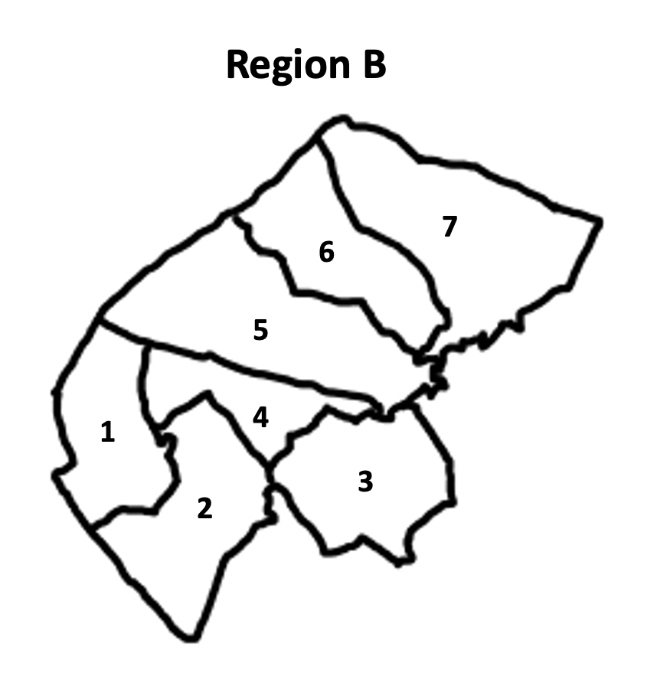
D8--Region B
 |  | Region B | Subregion 1 | Subregion 2 | Subregion 3 | Subregion 4 | Subregion 5 | Subregion 6 | Subregion 7
 | population (number of people) | 15054 | 3873 | 2114 | 1253 | 1129 | 2493 | 2398 | 1794
 | median age (years) | 46.6 | 47.7 | 48.2 | 59 | 36.3 | 55.1 | 45.5 | 53.8
 | percentage of population under 5 years old | 5.21
 | percentage of population 5 to 9 years old | 5.03
 | percentage of population 10 to 14 years old | 6.84
 | percentage of population 15 to 19 years old | 5.89
 | percentage of population 20 to 24 years old | 5.15
 | percentage of population 25 to 34 years old | 9.37
 | percentage of population 35 to 44 years old | 11.34
 | percentage of population 45 to 54 years old | 11.58
 | percentage of population 55 to 59 years old | 6.48
 | percentage of population 60 to 64 years old | 8.4
 | percentage of population 65 to 74 years old | 13.45
 | percentage of population 75 to 84 years old | 7.68
 | percentage of population 85 years and over | 3.58
 | estimated median household income (dollars) | 117688 | 99652 | 134375 | 173188 | 112306 | 108056 | 147500 | 132045
 | cost of living index** | 89.3
 | percentage of residents living in poverty | 4.2 | 5 | 0.41 | 3.83 | 6.73 | 2.45 | 3.4 | 0.78
 | percentage of adults unemployed | 3 | 2 | 2 | 3.09 | 2 | 1.59 | 1.59 | 1.59
 | total number of households | 5248 | 836 | 793 | 539 | 425 | 1164 | 800 | 691
 | number of family households* | 3977 | 590 | 648 | 452 | 311 | 710 | 696 | 570
 | number of non-family households* | 1271 | 246 | 145 | 87 | 114 | 454 | 104 | 121
 | area (square miles) | 33.64 | 3.48 | 4.35 | 4.64 | 2.32 | 7.54 | 3.77 | 7.54
 | percentage of households that have a desktop or laptop computer | 92.77
 | percentage of households that have broadband internet service | 4.41
 | percentage of households that have a smartphone | 86.21
 | percentage of households that have a smartphone and no other computing device | 1.22

 | *We define a family household as consisting of two or more individuals who are related by birth, marriage or adoption, although they may include other unrelated people. Nonfamily households consist of people who live alone or who share their residence with unrelated individuals.
 | **Assume that the average cost of living index value is 100

D8 Region C
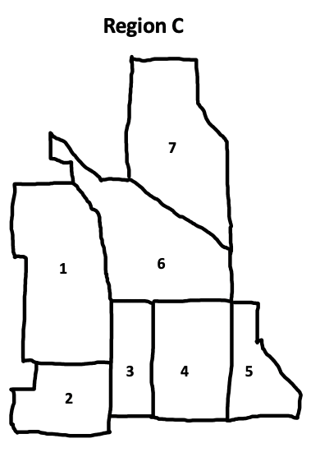
D8--Region C
 |  | Region C | Subregion 1 | Subregion 2 | Subregion 3 | Subregion 4 | Subregion 5 | Subregion 6 | Subregion 7
 | population (number of people) | 9,505 | 1468 | 1624 | 1012 | 1295 | 1309 | 1008 | 1789
 | median age (years) | 41.3 | 41.67 | 34.9 | 47.1 | 44.7 | 32.7 | 47.9 | 40.7
 | percentage of population under 5 years old | 4.45
 | percentage of population 5 to 9 years old | 4.07
 | percentage of population 10 to 14 years old | 4.34
 | percentage of population 15 to 19 years old | 4.27
 | percentage of population 20 to 24 years old | 7.87
 | percentage of population 25 to 34 years old | 25.52
 | percentage of population 35 to 44 years old | 15.49
 | percentage of population 45 to 54 years old | 11.64
 | percentage of population 55 to 59 years old | 5.53
 | percentage of population 60 to 64 years old | 4.79
 | percentage of population 65 to 74 years old | 7.2
 | percentage of population 75 to 84 years old | 3.32
 | percentage of population 85 years and over | 1.51
 | estimated median household income (dollars) | 102486 | 214125 | 96209 | 190729 | 139261 | 152500 | 206875 | 151731
 | cost of living index** | 124.5
 | percentage of residents living in poverty | 9.8 | 2.27 | 12.6 | 9.61 | 5.31 | 1.21 | 2.31 | 1.2
 | percentage of adults unemployed | 3.8 | 3.71 | 3.71 | 5.34 | 5.34 | 5.34 | 4.64 | 4.64
 | total number of households | 4011 | 627 | 933 | 386 | 521 | 471 | 415 | 658
 | number of family households* | 2520 | 445 | 320 | 276 | 381 | 253 | 329 | 516
 | number of non-family households* | 1491 | 182 | 613 | 110 | 140 | 218 | 86 | 142
 | area (square miles) | 1.64 | 0.38 | 0.14 | 0.1 | 0.24 | 0.13 | 0.31 | 0.34
 | percentage of households that have a desktop or laptop computer | 89.49
 | percentage of households that have broadband internet service | 90.42
 | percentage of households that have a smartphone | 87.52
 | percentage of households that have a smartphone and no other computing device | 2.7

 | *We define a family household as consisting of two or more individuals who are related by birth, marriage or adoption, although they may include other unrelated people. Nonfamily households consist of people who live alone or who share their residence with unrelated individuals.
 | **Assume that the average cost of living index value is 100

